BATH SHEET
 |  | WEIGHT | D E S I G N | C O L O R | BALANCED TO BE SOLD |  | Towel Images | Remarks
 | CM | GR / PC |  |  | PCS | LBS

 | 76 x 152 | 454 | PENCIL STRIPE-BATH SHEET-BLUE STRIPE-20/2 RS | Stripe | 1,086 | 1,086.00 | 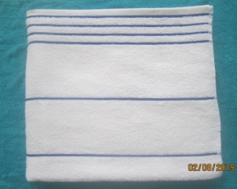
 | 76 x 152 | 491 | BASIC NEW SPEC-BATH SHEET-2 SIDE END HEM DOBBY-12/1 RS LOW TWIST | TURQUOISE | 4,442 | 4,812.17 | 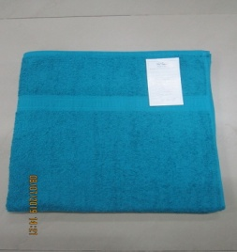
BS | 76 x 152 | 491 | BASIC NEW SPEC-BATH SHEET-2 SIDE END HEM DOBBY-12/1 RS LOW TWIST | LIGHT SCHOOL GREY | 1,962 | 2,125.50 | 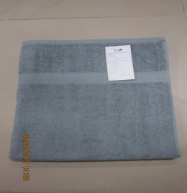
BS | 76 x 152 | 491 | BASIC NEW SPEC-BATH SHEET-2 SIDE END HEM DOBBY-12/1 RS LOW TWIST | ROYAL SPICE | 1,590 | 1,722.50 | 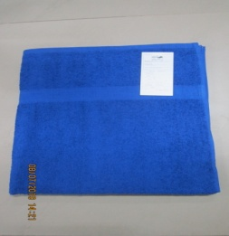
BS | 90 x 172 | 491 | POOL-BATH SHEET-SOLID YARN DYED VAT BLUE CAM BORDER-16/1 RS | Stripe | 515 | 557.92
BS | 76 x 177 | 567 | REVERSIBLE CABANA-BATH SHEET-FULL TERRY BLUE(LT. BLUE) VAT STRIPE-20/2 RS | Stripe | 2,175 | 2,718.75 | 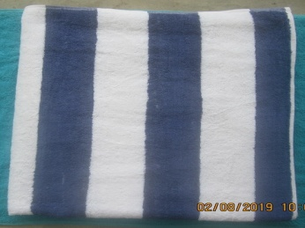
BS | 76 x 177 | 567 | REVERSIBLE CABANA-BATH SHEET-FULL TERRY BLUE(LT. BLUE) VAT STRIPE-24/2 RS COMBED | Stripe | 1,785 | 2,231.25 | 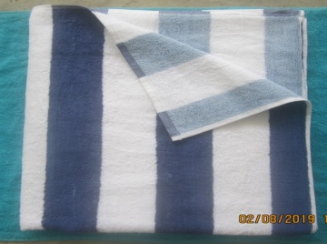
BS | 76 x 177 | 567 | CABANA-BATH SHEET-GREY STRIPE-12/1 RS | Stripe | 1,598 | 1,997.50 | 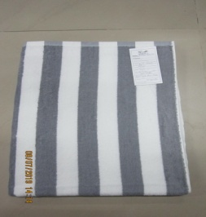
BS | 76 x 177 | 567 | CABANA-BATH SHEET-YELLOW STRIPE-12/1 RS | Stripe | 790 | 987.50 | 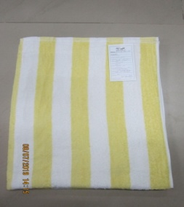
BS | 76 x 177 | 567 | CABANA-BATH SHEET-BEIGE STRIPE-12/1 RS | Stripe | 665 | 831.25 | 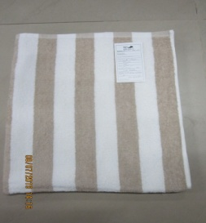
BS | 76 x 177 | 567 | CABANA-BATH SHEET-GREEN STRIPE-12/1 RS | Stripe | 256 | 320.00 | 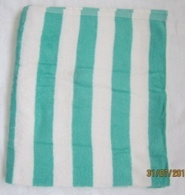
BS | 76 x 177 | 567 | CABANA-BATH SHEET-BLUE STRIPE-12/1 RS | Stripe | 185 | 231.25 | 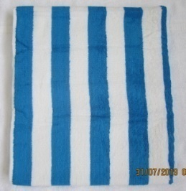
BS | 76 x 152 | 578 | MAINSTAYS-BATH SHEET-FULL TERRY CREAM-TAUPE-BROWN-BEIGE COMBOSTRIPE-12/1 RS COM | Stripe | 497 | 633.68 | 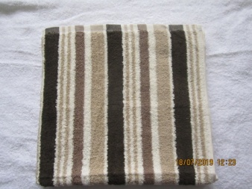
BS | 76 x 152 | 578 | MAINSTAYS-BATH SHEET-FULL TERRY WHITE-DARK TEAL-LIGHT TEAL-LIGHT GREY COMBO STRIPE-12/1 RS COM | Stripe | 461 | 587.78 | 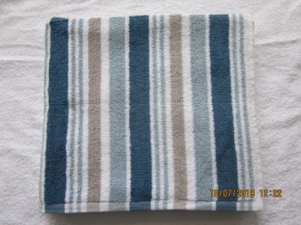
BS | 76 x 152 | 578 | MAINSTAYS-BATH SHEET-FULL TERRY DARK GREY-LIGHT GREY-WHITE-BLACK COMBO STRIPE-12/1 RS COM | Stripe | 445 | 567.38 | 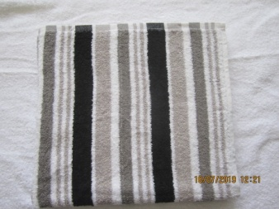
BS | 76 x 152 | 578 | MAINSTAYS-BATH SHEET-FULL TERRY WHITE-DARK BLUE-LIGHT GREY-MEDIUM BLUE COMBO STRIPE-12/1 RS COM | Stripe | 379 | 483.22 | 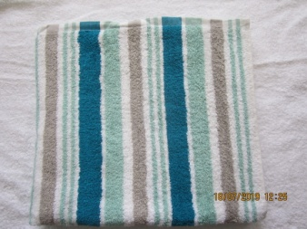
BS | 90 x 177 | 680 | NEW LUXURY CABANA-BATH SHEET-FULL TERRY BLUE STRIPE-20/2 RS | Stripe | 1,372 | 2,058.00 | 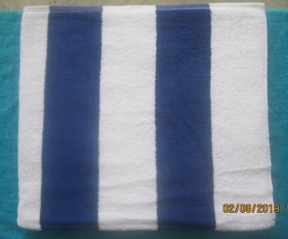
BS | 76 x 152 | 680 | BATH SHEET-2 SIDE 1 FANCY GREY STRIPE-20/2 RS BLENDED | Stripe | 642 | 963.00 | 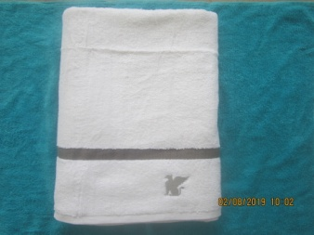

 |  |  |  | TOTAL | 20,845 | 24,914.63

